scatterplot
Time for Write-up vs. Total # Errors
Write-up | Total Errors | Explore and clean (hours) | Graph and appendix production (hours) | Statistical testing (hours) | sum | Total Errors
16 | 8 | 8 | 8 | 8 | 24 | 8
4 | 7 | 16 | 16 | 4 | 36 | 7
16 | 12 | 4 | 20 | 8 | 32 | 12
16 | 15 | 8 | 16 | 8 | 32 | 15
8 | 5 | 16 | 32 | 8 | 56 | 5
4 | 12 | 24 | 16 | 4 | 44 | 12
16 | 12 | 24 | 16 | 8 | 48 | 12
80 | 9
2 | 5

chisquare
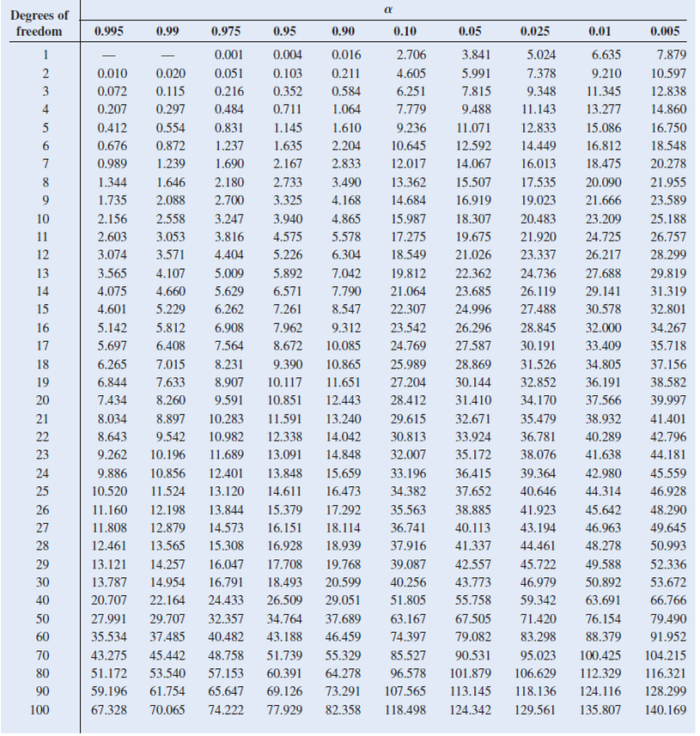
 | Graph and Appendix Production and Errors |  |  |  |  |  | Exploring and Cleaning data AND Graph and Appendix Production and Errors
Time (hours) | 8 | 16 | 20 | 32 | Totals | Time (hours) | 16 | 24 | 32 | 40 | 48 | Totals
Error | 8 | 46 | 12 | 5 | 71 | Error | 8 | 27 | 7 | 24 | 5 | 71
Not an error | 17 | 54 | 13 | 20 | 104 | Not an error | 17 | 23 | 18 | 26 | 20 | 104
Totals | 25 | 100 | 25 | 25 | 175 | Totals | 25 | 50 | 25 | 50 | 25 | 175

 | f(observed) | f(expected) | (f-F)^2 | /F |  |  | f(observed) | f(expected) | (f-F)^2 | /F |  |  | Report | Explore and clean (hours) | Graph and appendix production (hours) | total | Total Errors
Error8 | 8 | 10.142857143 | 4.5918367347 | 0.45271629779 |  | Error8 | 8 | 10.142857143 | 4.5918367347 | 0.45271629779 |  |  | 1 | 8 | 8 | 16 | 8
Error16 | 46 | 40.571428571 | 29.469387755 | 0.72635814889 |  | Error24 | 27 | 20.285714286 | 45.081632653 | 2.222334004 |  |  | 2 | 16 | 16 | 32 | 7
Error20 | 12 | 10.142857143 | 3.4489795918 | 0.34004024145 |  | Error32 | 7 | 10.142857143 | 9.8775510204 | 0.97384305835 |  |  | 3 | 4 | 20 | 24 | 12
Error32 | 5 | 10.142857143 | 26.448979592 | 2.6076458753 |  | Error40 | 24 | 20.285714286 | 13.795918367 | 0.6800804829 |  |  | 4 | 8 | 16 | 24 | 15
NotError8 | 17 | 14.857142857 | 4.5918367347 | 0.30906593407 |  | Error48 | 5 | 10.142857143 | 26.448979592 | 2.6076458753 |  |  | 5 | 16 | 32 | 48 | 5
NotError16 | 54 | 59.428571429 | 29.469387755 | 0.49587912088 |  | NotError8 | 17 | 14.857142857 | 4.5918367347 | 0.30906593407 |  |  | 6 | 24 | 16 | 40 | 12
NotError20 | 13 | 14.857142857 | 3.4489795918 | 0.23214285714 |  | NotError24 | 23 | 29.714285714 | 45.081632653 | 1.5171703297 |  |  | 7 | 24 | 16 | 40 | 12
NotError32 | 20 | 14.857142857 | 26.448979592 | 1.7802197802 |  | NotError32 | 18 | 14.857142857 | 9.8775510204 | 0.66483516484
 |  |  |  | 6.9440682557 |  | NotError40 | 26 | 29.714285714 | 13.795918367 | 0.46428571429
 |  |  |  |  |  | NotError48 | 20 | 14.857142857 | 26.448979592 | 1.7802197802
 |  |  |  |  |  |  |  |  | 𝑥^2= | 11.672196641
 |  |  |  | df= | (r-1)(c-1) |  |  |  |  |  | df= | (r-1)(c-1)
 |  |  |  |  | 3 |  |  |  |  |  |  | 4
 |  |  |  |  |  |  |  |  |  |  | probability= | 0.025
 |  |  |  | probability= | 0.1

normdist
Total Errors | Bin | Frequency
8 | 5 | 1
7 | 7 | 1
12 | 8 | 1
15 | 12 | 3
5 | 15 | 1
12
12

desc_statistics
Sample | Study | Month | FY | Audience | Observations | Data received date | Pretest and Posttest | Explore and clean (hours) | Graph and appendix production (hours) | Shell production hours) | Statistical testing (hours) | Write-up (hours) | QA review 1 (hours) | QA review 2 (hours) | Updates (hours) | QA review 1 error count | QA review 2 error count | Submission date | Total Production Time (hours) | Total hours | Total Errors | Total Errors | Total hours | Production time | Explore and clean (hours) | Graph and appendix production (hours) | Shell production hours) | Statistical testing (hours) | Write-up (hours)
1 | 5103 Notice Requirements | Oct | 2019 | Authorization | 5856 | 2019-10-18 | Yes | 8 | 8 | 16 | 8 | 16 | 8 | 4 | 4 | 6 | 2 | 2019-10-31 | 48 | 72 | 8 | 8 | 72 |  | 8 | 8 | 16 | 8 | 16
2 | Inferred / Ancillary Issues | Oct | 2019 | Rating | 3822 | 2019-10-29 | Yes | 16 | 16 | 4 | 4 | 4 | 4 | 4 | 4 | 3 | 4 | 2019-11-08 | 28 | 56 | 7 | 7 | 56 |  | 16 | 16 | 4 | 4 | 4
3 | EMS Submitting an Exam | Nov | 2019 | Authorization | 5804 | 2019-11-29 | Yes | 4 | 20 | 16 | 8 | 16 | 8 | 12 | 4 | 4 | 8 | 2019-12-14 | 60 | 88 | 12 | 12 | 88 |  | 4 | 20 | 16 | 8 | 16
4 | Insufficient VAE/Medical Opinions | Nov | 2019 | Rating | 3742 | 2019-12-27 | Yes | 8 | 16 | 8 | 8 | 16 | 8 | 4 | 4 | 3 | 12 | 2019-01-11 | 48 | 72 | 15 | 15 | 72 |  | 8 | 16 | 8 | 8 | 16
5 | EMS Clarification, Modification, and Rework | Dec | 2019 | Authorization | 5975 | 2019-01-07 | Yes | 16 | 32 | 4 | 8 | 8 | 4 | 4 | 4 | 5 | 0 | 2019-01-21 | 52 | 80 | 5 | 5 | 80 |  | 16 | 32 | 4 | 8 | 8
6 | Initiating Deferrals Part I | Dec | 2019 | Rating | 3736 | 2019-01-18 | Yes | 24 | 16 | 8 | 4 | 4 | 8 | 4 | 4 | 8 | 4 | 2019-01-31 | 32 | 72 | 12 | 12 | 72 |  | 24 | 16 | 8 | 4 | 4
7 | VA Practical Case Review | Jan | 2019 | Authorization | 5906 | 2019-01-16 | No | 24 | 16 | 8 | 8 | 16 | 8 | 20 | 4 | 7 | 5 | 2019-02-04 | 48 | 104 | 12 | 12 | 104 |  | 24 | 16 | 8 | 8 | 16
8 | Initiating Deferrals Part II | Jan | 2019 | Rating | 3736 | 2019-01-24 | Yes | 8 | 32 | 8 | 8 | 8 | 8 | 12 | 4 | 2 | 7 | 2019-02-08 | 56 | 88 |  | 9 | 544 |  | 100 | 124 | 64 | 48 | 80 | 416 | 0.76470588235
9 | Deferrals | Feb | 2019 | Authorization | 5851 | 2019-02-21 | Yes | 24 | 16 | 8 | 16 | 16 | 8 | 12 | 4 | 2 | 3 | 2019-03-08 | 56 | 104 |  | 5

Before Improve |  |  | After Improve |  |  |  |  |  |  |  |  |  |  |  |  |  |  |  |  |  |  |  | Total hours
Total Errors |  |  | Total Errors
 |  |  |  |  |  |  |  |  |  |  |  |  |  |  |  |  |  |  |  |  |  |  | Mean | 77.714285714
Mean | 10.142857143 |  | Mean | 9.4444444444 | -0.69841269841 |  |  |  |  |  |  |  |  |  |  |  |  |  |  |  |  |  | Standard Error | 5.7142857143
Standard Error | 1.3350329304 |  | Standard Error | 1.167988669 |  |  |  |  |  |  |  |  |  |  |  |  |  |  |  |  |  |  | Median | 72
Median | 12 |  | Median | 9 |  |  |  |  |  |  |  |  |  |  |  |  |  |  |  |  |  |  | Mode | 72
Total Errors by Reports
Mode | 12 |  | Mode | 12 |  |  |  |  |  |  |  |  |  |  |  |  |  |  |  |  |  |  | Standard Deviation | 15.11857892
Standard Deviation | 3.5321651258 |  | Standard Deviation | 3.5039660069 |  |  |  |  |  |  |  |  |  |  |  |  |  |  |  |  |  |  | Sample Variance | 228.57142857
Sample Variance | 12.476190476 |  | Sample Variance | 12.277777778 |  |  |  |  |  |  |  |  |  |  |  |  |  |  |  |  |  |  | Kurtosis | 0.97888
Kurtosis | -1.1713303421 |  | Kurtosis | -1.1934996066 |  |  |  |  |  |  |  |  |  |  |  |  |  |  |  |  |  |  | Skewness | 0.57148228319
Skewness | -0.22821890866 |  | Skewness | 0.10552268442 |  |  |  |  |  |  |  |  |  |  |  |  |  |  |  |  |  |  | Range | 48
Range | 10 |  | Range | 10 |  |  |  |  |  |  |  |  |  |  |  |  |  |  |  |  |  |  | Minimum | 56
Minimum | 5 |  | Minimum | 5 |  |  |  |  |  |  |  |  |  |  |  |  |  |  |  |  |  |  | Maximum | 104
Maximum | 15 |  | Maximum | 15 |  |  |  |  |  |  |  |  |  |  |  |  |  |  |  |  |  |  | Sum | 544
Sum | 71 |  | Sum | 85 |  |  |  |  |  |  |  |  |  |  |  |  |  |  |  |  |  |  | Count | 7
Count | 7 |  | Count | 9

stackedchart
Write-up | Shell production | Statistical testing | Graph and Appendix | Explore and clean data | Before | Explore and clean (hours) | Graph and appendix production (hours) | Shell production hours) | Statistical testing (hours) | Write-up (hours) | Explore and clean (hours) | Graph and appendix production (hours) | Shell production hours) | Statistical testing (hours) | Write-up (hours)
16 | 16 | 8 | 8 | 8 |  | 8 | 8 | 16 | 8 | 16 | 15 | 19 | 9 | 8 | 12
4 | 4 | 4 | 16 | 16 |  | 16 | 16 | 4 | 4 | 4 | 14 | 18 | 9 | 7 | 11
16 | 16 | 8 | 20 | 4 |  | 4 | 20 | 16 | 8 | 16 | Step | After | Before | change
16 | 8 | 8 | 16 | 8 |  | 8 | 16 | 8 | 8 | 16 | Explore and clean | 15 | 14 | 1 |  | 1.875
8 | 4 | 8 | 32 | 16 |  | 16 | 32 | 4 | 8 | 8 | Graph and appendix production | 19 | 18 | 1 |  | 2.375
4 | 8 | 4 | 16 | 24 |  | 24 | 16 | 8 | 4 | 4 | Statistical testing | 8 | 7 | 1 |  | 1
16 | 8 | 8 | 16 | 24 |  | 24 | 16 | 8 | 8 | 16 | Shell production hours) | 9 | 9 | 0
80 | 64 | 48 | 124 | 100 |  | 8 | 32 | 8 | 8 | 8 | Write-up | 12 | 11 | 1
 |  |  |  |  |  | 24 | 16 | 8 | 16 | 16
 |  |  |  |  |  | 14.666666667 | 19.111111111 | 8.8888888889 | 8 | 11.555555556
Change in Time by Analysis Step

Time by Analysis Step (in days)

controlchart
IMR Chart
Sample | Study | Month | FY | Audience | Total Errors |  | mR | mRbar | UCL | LCL |  | x | xbar | UCL | LCL
1 | 5103 Notice Requirements | Oct | 2019 | Authorization | 8 |  |  | 4.33 | 14.17 | 0.00 |  | 8 | 10.14 | 21.67 | -1.38
2 | Inferred / Ancillary Issues | Oct | 2019 | Rating | 7 |  | 1 | 4.33 | 14.17 | 0.00 |  | 7 | 10.14 | 21.67 | -1.38
3 | EMS Submitting an Exam | Nov | 2019 | Authorization | 12 |  | 5 | 4.33 | 14.17 | 0.00 |  | 12 | 10.14 | 21.67 | -1.38
4 | Insufficient VAE/Medical Opinions | Nov | 2019 | Rating | 15 |  | 3 | 4.33 | 14.17 | 0.00 |  | 15 | 10.14 | 21.67 | -1.38
5 | EMS Clarification, Modification, and Rework | Dec | 2019 | Authorization | 5 |  | 10 | 4.33 | 14.17 | 0.00 |  | 5 | 10.14 | 21.67 | -1.38
6 | Initiating Deferrals Part I | Dec | 2019 | Rating | 12 |  | 7 | 4.33 | 14.17 | 0.00 |  | 12 | 10.14 | 21.67 | -1.38
7 | VA Practical Case Review | Jan | 2019 | Authorization | 12 |  | 0 | 4.33 | 14.17 | 0.00 |  | 12 | 10.14 | 21.67 | -1.38
8 | Initiating Deferrals Part II | Jan | 2019 | Rating | 9 |  | 3 | 4.33 | 14.17 | 0.00 |  | 9 | 10.14 | 21.67 | -1.38
9 | Deferrals | Feb | 2019 | Authorization | 5 |  | 4 | 4.33 | 14.17 | 0.00 |  | 5 | 10.14 | 21.67 | -1.38
 |  |  |  |  |  | mRbar | 4.3333333333 |  |  |  | xbar | 10.142857143

 |  |  |  |  |  |  | UCL | D4*mRbar | 14.17 |  |  | UCL | xbar+E2*mRbar |  | 21.67
 |  |  |  |  |  |  | LCL | D3*mRbar | 0.00 |  |  | LCL | xbar-E2*mRbar |  | -1.38
 |  |  |  |  |  |  | use n = 2 on chart

Improve Phase:
Report 8 and 9

